0. How to use this Tool
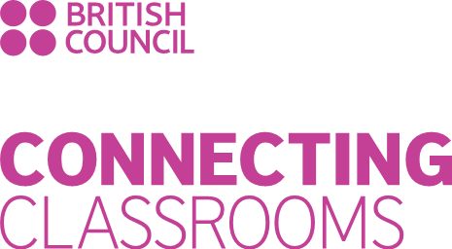
Discover the power of Learning for Sustainability!
Connecting Classrooms Through Global Learning: Whole-school self-evaluation tool
Connecting directly with Curriculum for Excellence, Connecting Classrooms through Global Learning is about equipping educational practitioners, children and young people, and the communities they live in, with the values, knowledge, attitudes, capabilities and skills to enable them to contribute effectively in an interdependent world.
This self-evaluation tool is designed to support your school development towards an effective whole-school approach to Learning for Sustainability (LfS); with a focus on local and global partnerships.
How to use this tool
1. Working collegiately with fellow practitioners and your Senior Management Team, please consider the current position in your school/setting with regard to the eight
self-evaluation and improvement themes in this document. Click along the tabs at the bottom of this page to view each one.
You may wish to involve pupils, parents and other members of the wider community in this process to ensure a truly whole-setting approach.
2. Each theme has two elements.
All are closely linked to Education Scotland’s Whole-School and Community approach to Learning for Sustainability * and How Good is Our School? (4th edition) **/ How Good is our Early Learning and Childcare***?
3. Rate your school’s/setting’s current position in each of the eight themes; using the scale of 0 = no engagement to 5 = advanced.
Your ratings for each theme will automatically be added to the self-evaluation chart on Tab 9.
4. Use your completed chart to identify your areas of strength, as well as the next steps for your school/setting.
5. Use this tool at regular intervals to monitor your progress.
Next steps
Working as an individual school/setting?
Completion of your self-evaluation chart unlocks up to 1.5 hours of free support from your local Development Education Centre to help you plan your Connecting Classrooms activities and apply for funding to empower links with your international partner school(s).
Email us at connectingclassrooms@lfsscotland.org to find out more.
Working as a cluster?
Share the results of your school/setting self-evaluation with your cluster to inform your cluster’s self-evaluation.
Once this has been done, your cluster lead school can then unlock up to three hours of free support from your local Development Education Centre to help your cluster plan its Connecting Classrooms activities and apply for funding to empower your proposed project and build links with your international partner schools.
Should the funding application be successful, your cluster will then be entitled to three further days of free support throughout the lifetime of your project.
NB: Your international partner school(s) do not have to complete this self-evaluation tool, but they are free to do so should they wish to. They should, however, be involved in all aspects of the planning process from the beginning.
Email us at connectingclassrooms@lfsscotland.org to find out more.

* | Whole-school and community approach to Learning for Sustainability
** | How Good is Our School? (fourth edition)
*** | How Good is Our Early Learning and Childcare?

9. Self-evaluation chart
Use the results of your self-evaluation across the eight themes to fill in the ratings chart below. Colour in as many fields as required to show your rating against each theme and its two elements.

Themes | Elements | Our rating

1. Leadership of learning | 1A. Professional & collegiate working | 0
 | 1B. Professional learning | 0
2. Leadership of change | 2A. Whole-setting approach: shared vision and values for LfS | 0
 | 2B. Leadership at all levels/responsibility of all | 0
3. Sustainable Development Goals (SDGs) in action | 3A. Awareness of the SDGs | 0
 | 3B. Action for the SDGs across our setting’s campus | 0
4. Learning for Sustainability in our curriculum | 4A. Balance of sustainable development education, global citizenship, outdoor learning | 0
 | 4B. Planning for progression/skills for learning, life and work | 0
5. Learning, teaching and assessment/evaluation | 5A. Quality teaching | 0
 | 5B. Assessment of attainment in LfS | 0
6. Making connections: locally | 6A. Parents and local community impact | 0
 | 6B. Local partnerships | 0
7. Making connections: globally | 7A. International partnerships | 0
 | 7B. Global citizenship | 0
8. Learner voice and participation | 8A. Inclusion | 0
 | 8B. Pupil groups | 0

Overview of our results

